IT_2025-26
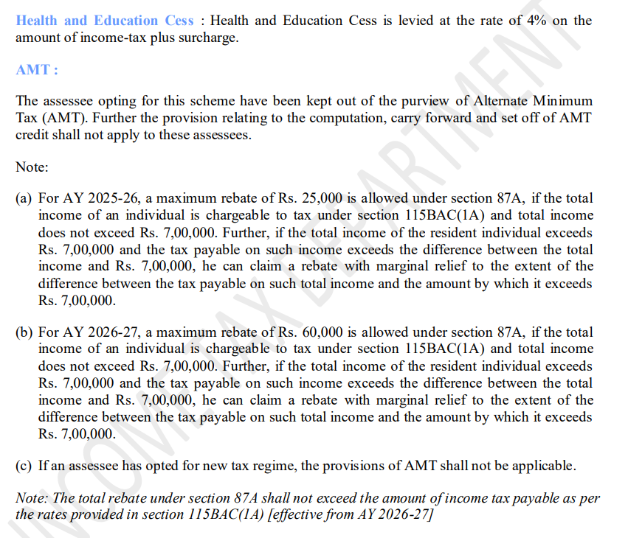
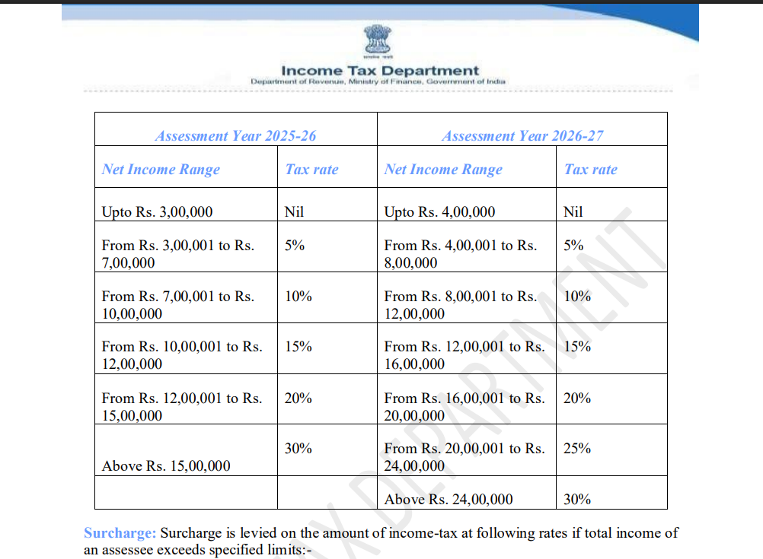

Tax | 120000

Case Statement-
case 1
<= 4000000 Nil
case 2
<= 800000 Do this
case 3
<= 1200000 Do this

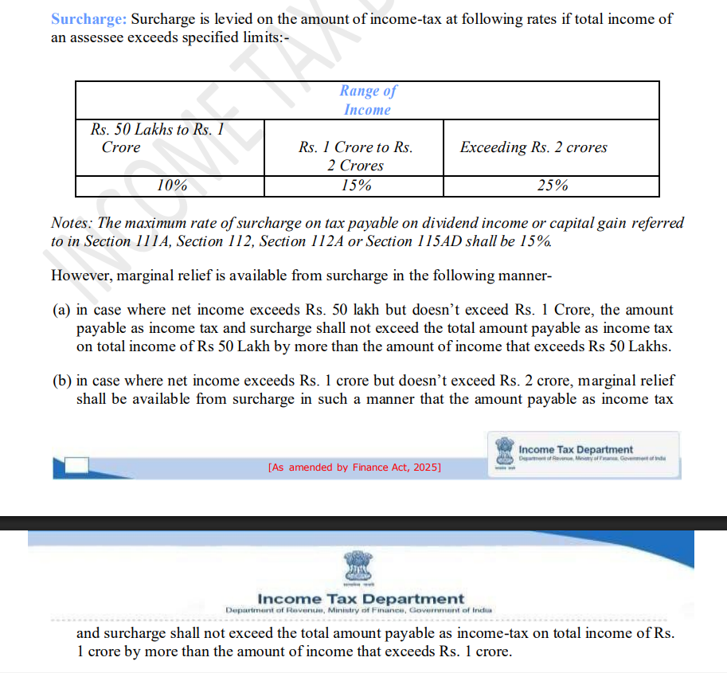

1000000

